Sheet2
Lê Thị Trang
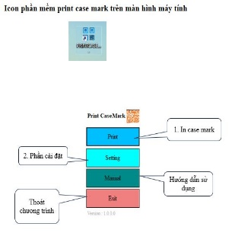
 | dfhhsdhs

